BUG-TC_CHRMAVL_001
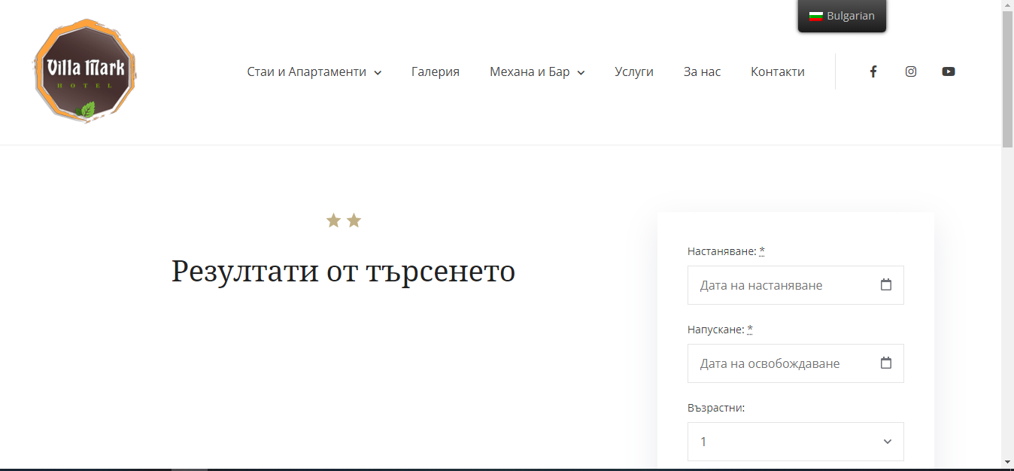
 |  | Project- Villa Mark ( https://villamark.net/bg/)

Title | Bug ID | BUG-TC_CHRMAVL_001
 | Tester | Katerina Kozhuharova
 | Date | 2021-08-15
 | Title | Check the room availability option
Bug Description | Summary | When we select the option to search for available rooms according to a selected criterion, no result is loaded
 | Screenshot/Video | see the attached screenshot
 | Platform | Windows - Google Chrome, Internet Explorer and Mozilla
 | Priority | Medium

Bug details | Steps to reproduce
 | 1 | Loading a page https://villamark.net/bg/
 | 2 | From the home page choose check in and check out date, adults and children
 | 3 | Select the option "Search"
 | Result As Expected | A page with available rooms should be loaded according to the selected criteria
 | Actual Result | No result is loaded, the field is blank

BUG-TC_CHRWGLY_001
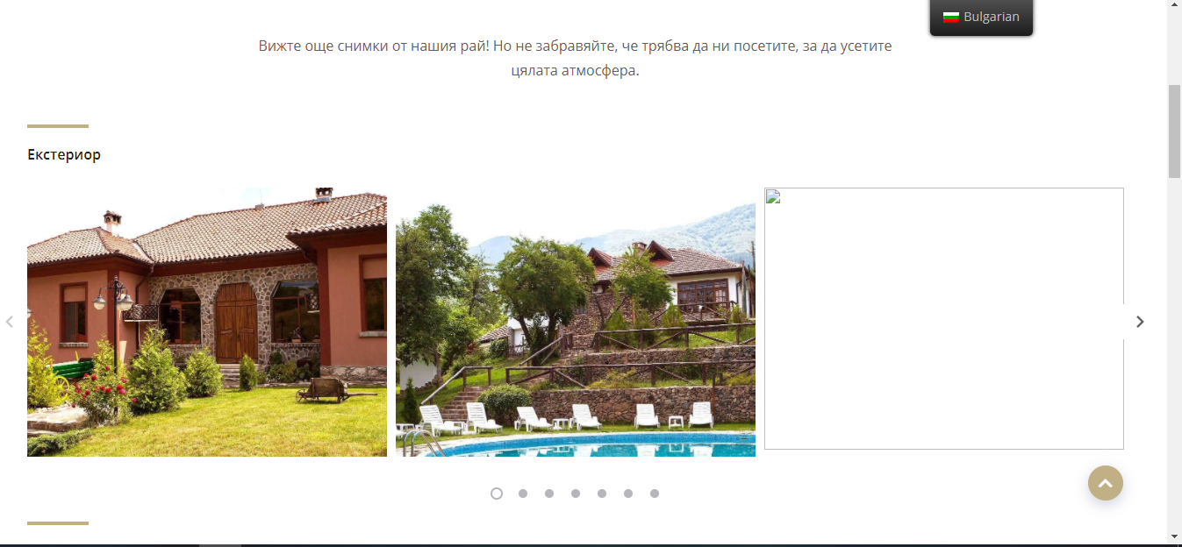
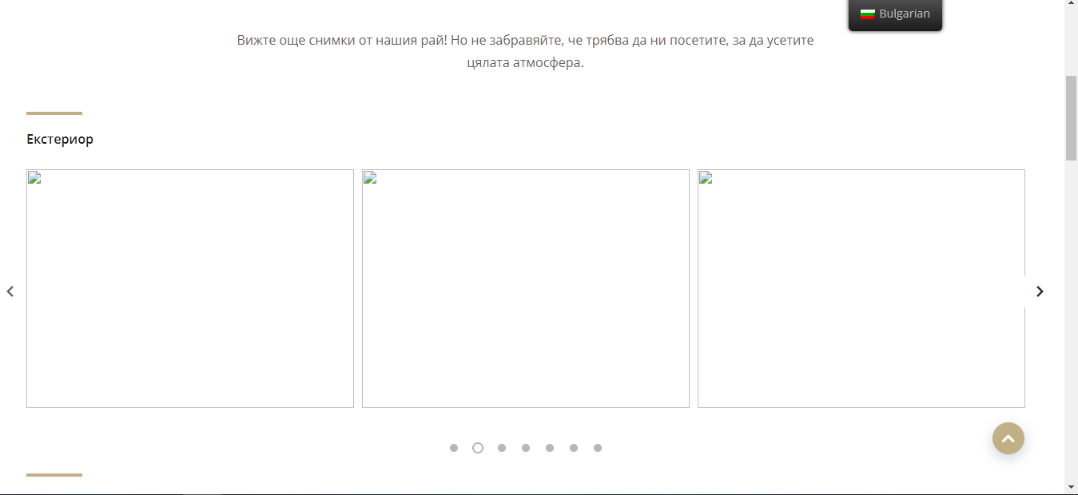
 |  | Project- Villa Mark ( https://villamark.net/bg/)

Title | Bug ID | BUG-TC_CHRWGLY_001
 | Tester | Katerina Kozhuharova
 | Date | 2021-08-15
 | Title | Check the option for reviewing the gallery
Bug Description | Summary | When we want to view the gallery, some of the content is not loaded correctly
 | Screenshot/Video | see the attached screenshot
 | Platform | Windows - Google Chrome, Internet Explorer and Mozilla
 | Priority | Medium

Bug details | Steps to reproduce
 | 1 | Loading a page https://villamark.net/bg/
 | 2 | From the home page select "Gallery"
 | Result As Expected | The content of the page loads correctly
 | Actual Result | Content is not loading correctly, some photo fields are empty

BUG-TC_CHRWTBR_001
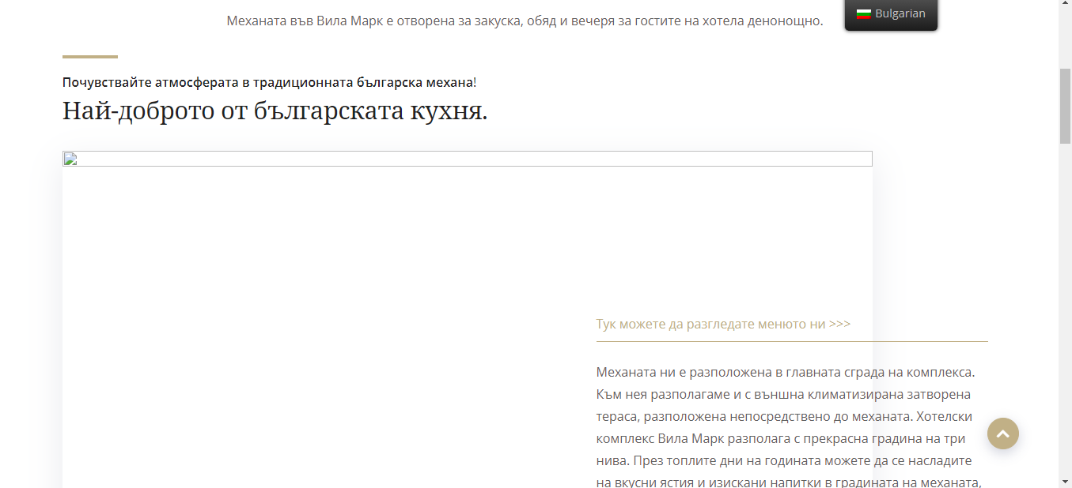
 |  | Project- Villa Mark ( https://villamark.net/bg/)

Title | Bug ID | BUG-TC_CHRWTBR_001
 | Tester | Katerina Kozhuharova
 | Date | 2021-08-15
 | Title | Check if the option to reviewing the contents of "Tavern and Bar" is loaded correctly
Bug description | Summary | When we want to view the tavern and bar, some of the content is not loaded correctly
 | Screenshot/Video | see the attached screenshot
 | Platform | Windows - Google Chrome, Internet Explorer and Mozilla
 | Priority | Medium

Bug details | Steps to reproduce
 | 1 | Loading a page https://villamark.net/bg/
 | 2 | From the home page select "Tavern and Bar"
 | Result As Expected | The content of the page loads correctly
 | Actual Result | The content is not loaded correctly, some of the photos are missing and the structure is broken

